Rating
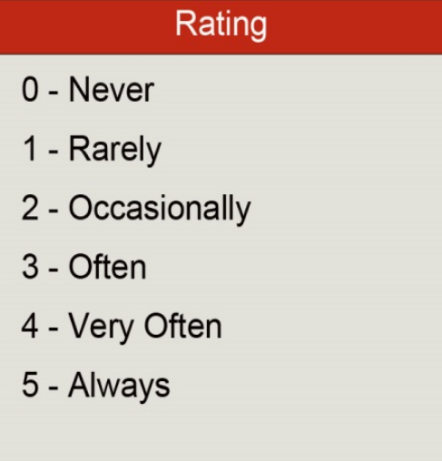
Question | Rating | Comments
 | (0 - 5)
Team
Are the teams working well together? | 3
Are the teams self-organizing and self managing? | 4
How dedicated are your teams?
Score: | 7
Total % | 47%
Backlog
How clear is the product vision? | 5
Are the requirements clear in terms of User Stories? | 5
User Stories are listed and prioritized before Sprint Planning? | 4
Score: | 14
Total % | 93%
Daily Scrum
Scrum Master Present? | 5
Is the Scrum held in the absence of the Scrum Master? | 4
All team members participate in Daily Scrum? | 3
Is scrum done daily? | 5
Are problems raised in daily scrum that hinders team progress? | 5
Score: | 22
Total % | 88%
Sprint
Are the sprints of the same length? | 2
Team estimates Sprint User Stories? | 5
Team participates in estimating and planning Sprint User Stories? | 2
Overtime is not usual practice? | 1
No more work is added to a sprint scope after it already started? | 5
Score: | 15
Total % | 60%
Coding Practices
How would you rate the architecture of the product? | 4
Architecture diagrams are clear enough to avoid ambiguity? | 3
Continuous refactoring is part of team coding habits? | 4
Core DevOps principles are applied?
How much Continuous Integration is automated?
Score: | 11
Total % | 44%
Testing
Do you perform automated testing? | 4
Are performance tests done? | 3
Are the test cases clearly defined? | 2
Are the defects fixed within the same or next iteration? | 1
Is team and stakeholders satisfied with the quality of the product? | 1
Is the testing team satisified with the quality of the product?
Score: | 11
Total % | 37%
Business
Product Owner understands business value and prioritize user stories? | 3
Stakeholders and Product Owner participate in Sprint Demo to give feedback? | 3
The role of the Product Owner is defined? | 4
Scrum Master facilitates to resolve issues that are not in hands of the team? | 4
Stakeholders, customer and Agile team have aligned product vision?
Score: | 14
Total % | 56%
Retrospective
Does whole team participate in the retrospective? | 2
Are the retrospectives done incrementally and iteratively? | 5
Are problems identified in the retrospective sessions? | 2
Creative, open minded, discussions, critique is done? | 2
Are some improvements implemented after retrospective?
Score: | 11
Total % | 44%

Total Assessment | 105
Total Percentage of the Assessment: | 57%
Agile Assessment Sheet

Agility Area | %
Team | 47%
Backlog | 93%
Daily Scrum | 88%
Sprint | 60%
Coding Practices | 44%
Testing | 37%
Business | 56%
Retrospective | 44%

Team Score: | 105
Total Percentage: | 57%

 |  |  | Source: | Yodiz - Agile project management Tool

